init
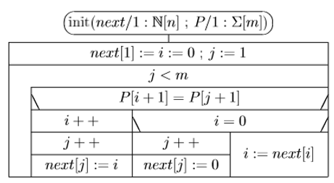
1 | 2 | 3 | 4 | 5 | 6 | 7
b | a | b | a | b | a | b | i | j | next(j)

KMP
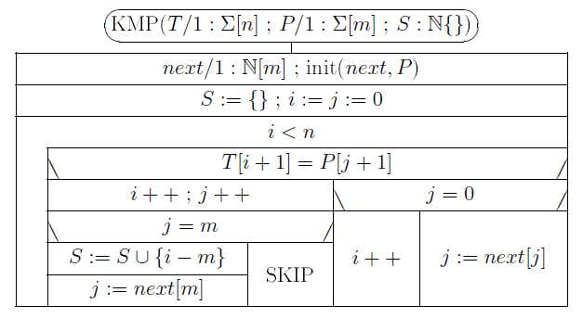
 |  | 1 | 2 | 3 | 4 | 5 | 6 | 7 |  |  | 1 | 2 | 3 | 4 | 5 | 6 | 7
 | P= | b | a | b | a | b | a | b |  | next | 0 | 0 | 1 | 2 | 3 | 4 | 5 |  | S=

öh |  | 1 | 2 | 3 | 4 | 5 | 6 | 7 | 8 | 9 | 10 | 11 | 12 | 13 | 14 | 15 | 16 | 17 | 18 | 19 | 20 | 21 | 22
 | T= | b | a | b | b | a | b | a | b | a | b | a | b | b | a | b | a | b | a | b | a | a | b

